Actual Data
Flow Type | (Multiple Items)

Sum of Value (£)
 | 2010 | 2011 | 2012 | 2013 | 2014 | 2015 | 2016 | 2017 | 2018 | 2019 | 2020 | 2021 | 2022 | 2023 | Grand Total
EU | 52.46% | 49.97% | 49.89% | 43.30% | 47.70% | 44.29% | 47.67% | 48.38% | 47.70% | 48.16% | 48.60% | 46.92% | 47.28% | 44.82% | 47.52%
NON-EU | 47.54% | 50.03% | 50.11% | 56.70% | 52.30% | 55.71% | 52.33% | 51.62% | 52.30% | 51.84% | 51.40% | 53.08% | 52.72% | 55.18% | 52.48%
EU Trade vs Non-EU Trade (£)
Grand Total | 100.00% | 100.00% | 100.00% | 100.00% | 100.00% | 100.00% | 100.00% | 100.00% | 100.00% | 100.00% | 100.00% | 100.00% | 100.00% | 100.00% | 100.00%

 | 2010 | 2011 | 2012 | 2013 | 2014 | 2015 | 2016 | 2017 | 2018 | 2019 | 2020 | 2021 | 2022 | 2023
EU Imports | 48.68% | 47.96% | 46.97% | 51.71% | 52.84% | 53.54% | 50.86% | 52.48% | 53.29% | 49.88% | 46.89% | 43.99% | 46.74% | 51.06%
NON-EU import | 51.32% | 52.04% | 53.03% | 48.29% | 47.16% | 46.46% | 49.14% | 47.52% | 46.71% | 50.12% | 53.11% | 56.01% | 53.26% | 48.94%
EU Exports | 52.46% | 49.97% | 49.89% | 43.30% | 47.70% | 44.29% | 47.67% | 48.38% | 47.70% | 48.16% | 48.60% | 46.92% | 47.28% | 44.82%
Non-EU Exports | 47.54% | 50.03% | 50.11% | 56.70% | 52.30% | 55.71% | 52.33% | 51.62% | 52.30% | 51.84% | 51.40% | 53.08% | 52.72% | 55.18%

Export only
Top 10 EU Export Destinations
Countries | 2015 ($) | 2015 (%) | 2019 ($) | 2019 (%) | 2023 ($) | 2023 (%) |  | Countries | 2015 (£) | 2019 (£) | 2023 (£) | 2015 (%) | 2019 (%) | 2023 (%)
Germany | 30,477,411,563 | 9.99% | 36,307,232,875 | 10.08% | 32,446,246,883 | 7.68% | 1 | Germany | 30,477,411,563 | 36,307,232,875 | 32,446,246,883 | 9.99% | 10.08% | 7.68%
Netherlands | 17,311,269,413 | 5.68% | 23,843,574,316 | 6.62% | 30,044,123,108 | 7.11% | 2 | Netherlands | 17,311,269,413 | 23,843,574,316 | 30,044,123,108 | 5.68% | 6.62% | 7.11%
Ireland | 16,680,440,775 | 5.47% | 21,922,472,403 | 6.09% | 27,600,892,632 | 6.53% | 3 | Ireland | 16,680,440,775 | 21,922,472,403 | 27,600,892,632 | 5.47% | 6.09% | 6.53%
France | 17,843,061,918 | 5.85% | 24,630,003,455 | 6.84% | 23,881,740,494 | 5.65% | 4 | France | 17,843,061,918 | 24,630,003,455 | 23,881,740,494 | 5.85% | 6.84% | 5.65%
Belgium | 11,588,539,567 | 3.80% | 12,928,385,326 | 3.59% | 20,297,411,213 | 4.80% | 5 | Belgium | 11,588,539,567 | 12,928,385,326 | 20,297,411,213 | 3.80% | 3.59% | 4.80%
Italy | 8,414,300,391 | 2.76% | 9,992,135,950 | 2.78% | 9,848,067,821 | 2.33% | 6 | Italy | 8,414,300,391 | 9,992,135,950 | 9,848,067,821 | 2.76% | 2.78% | 2.33%
Spain | 8,854,952,489 | 2.90% | 10,741,442,914 | 2.98% | 9,484,994,702 | 2.24% | 7 | Spain | 8,854,952,489 | 10,741,442,914 | 9,484,994,702 | 2.90% | 2.98% | 2.24%
Poland | 3,618,117,144 | 1.19% | 5,338,819,951 | 1.48% | 6,668,676,386 | 1.58% | 8 | Poland | 3,618,117,144 | 5,338,819,951 | 6,668,676,386 | 1.19% | 1.48% | 1.58%
Low Value Trd EU |  | 0.00% |  | 0.00% | 6,612,251,098 | 1.56% | 9 | Sweden | 4,414,002,623 | 5,007,434,152 | 4,848,729,234 | 1.45% | 1.39% | 1.15%
Sweden | 4,414,002,623 | 1.45% | 5,007,434,152 | 1.39% | 4,848,729,234 | 1.15% | 10 | Denmark | 2,312,023,779 | 2,682,017,982 | 2,673,307,263 | 0.76% | 0.74% | 0.63%
Denmark | 2,312,023,779 | 0.76% | 2,682,017,982 | 0.74% | 2,673,307,263 | 0.63% | 11 | Czechia | 1,961,860,884 | 2,212,847,069 | 2,201,768,224 | 0.64% | 0.61% | 0.52%
Czechia | 1,961,860,884 | 0.64% | 2,212,847,069 | 0.61% | 2,201,768,224 | 0.52% | 12 | Austria | 1,603,887,250 | 1,870,867,440 | 1,632,584,034 | 0.53% | 0.52% | 0.39%
Austria | 1,603,887,250 | 0.53% | 1,870,867,440 | 0.52% | 1,632,584,034 | 0.39% | 13 | Slovakia | 441,802,974 | 1,085,554,129 | 1,401,983,276 | 0.14% | 0.30% | 0.33%
Slovakia | 441,802,974 | 0.14% | 1,085,554,129 | 0.30% | 1,401,983,276 | 0.33% | 14 | Finland | 1,344,141,247 | 1,313,592,638 | 1,384,125,077 | 0.44% | 0.36% | 0.33%
Finland | 1,344,141,247 | 0.44% | 1,313,592,638 | 0.36% | 1,384,125,077 | 0.33% | 15 | Portugal | 1,249,424,669 | 1,582,360,072 | 1,329,756,752 | 0.41% | 0.44% | 0.31%
Portugal | 1,249,424,669 | 0.41% | 1,582,360,072 | 0.44% | 1,329,756,752 | 0.31% | 16 | Hungary | 1,276,325,440 | 1,336,055,031 | 1,324,101,607 | 0.42% | 0.37% | 0.31%
Hungary | 1,276,325,440 | 0.42% | 1,336,055,031 | 0.37% | 1,324,101,607 | 0.31% | 17 | Romania | 986,538,940 | 1,279,975,589 | 1,123,515,578 | 0.32% | 0.36% | 0.27%
Romania | 986,538,940 | 0.32% | 1,279,975,589 | 0.36% | 1,123,515,578 | 0.27% | 18 | Greece | 878,980,205 | 1,025,525,334 | 888,785,402 | 0.29% | 0.28% | 0.21%
Greece | 878,980,205 | 0.29% | 1,025,525,334 | 0.28% | 888,785,402 | 0.21% | 19 | Lithuania | 269,700,709 | 527,973,528 | 710,101,990 | 0.09% | 0.15% | 0.17%
Lithuania | 269,700,709 | 0.09% | 527,973,528 | 0.15% | 710,101,990 | 0.17% | 20 | Luxembourg | 219,163,675 | 240,334,686 | 538,160,807 | 0.07% | 0.07% | 0.13%
Luxembourg | 219,163,675 | 0.07% | 240,334,686 | 0.07% | 538,160,807 | 0.13% | 21 | Cyprus | 370,796,972 | 432,691,587 | 433,542,283 | 0.12% | 0.12% | 0.10%
Cyprus | 370,796,972 | 0.12% | 432,691,587 | 0.12% | 433,542,283 | 0.10% | 22 | Malta | 376,182,841 | 1,380,214,174 | 381,892,391 | 0.12% | 0.38% | 0.09%
Malta | 376,182,841 | 0.12% | 1,380,214,174 | 0.38% | 381,892,391 | 0.09% | 23 | Latvia | 215,480,847 | 391,031,348 | 355,648,357 | 0.07% | 0.11% | 0.08%
Latvia | 215,480,847 | 0.07% | 391,031,348 | 0.11% | 355,648,357 | 0.08% | 24 | Bulgaria | 347,130,853 | 377,011,369 | 346,054,525 | 0.11% | 0.10% | 0.08%
Bulgaria | 347,130,853 | 0.11% | 377,011,369 | 0.10% | 346,054,525 | 0.08% | 25 | Estonia | 219,134,622 | 254,773,211 | 309,456,089 | 0.07% | 0.07% | 0.07%
Estonia | 219,134,622 | 0.07% | 254,773,211 | 0.07% | 309,456,089 | 0.07% | 26 | Slovenia | 201,553,360 | 281,148,702 | 242,102,700 | 0.07% | 0.08% | 0.06%
Slovenia | 201,553,360 | 0.07% | 281,148,702 | 0.08% | 242,102,700 | 0.06% | 27 | Croatia | 138,163,828 | 210,876,622 | 154,670,701 | 0.05% | 0.06% | 0.04%
Croatia | 138,163,828 | 0.05% | 210,876,622 | 0.06% | 154,670,701 | 0.04%
Estimates | 115,701,250 | 0.04% | 1,023,376,364 | 0.28% | 31,038,042 | 0.01%
Stores & Provis. | 26,825,921 | 0.01% | 315,738,826 | 0.09% | 993,626 | 0.00%

Regression gravity model
Countries | Distance (km) | GDP (£) | UK GDP (£) | Trade Value (£) | Predicted | Error | ln_Distance (km) | ln_GDP (£) | ln_UK GDP (£) | ln_Trade Value (£) | Predicted | Error
Afghanistan | 5,699 | 13,338,275,248 | 2,616,760,465,023 | 4,841,958 | 65,544,838 | -93% | 8.6480459998 | 23.313903577 | 28.592958205 | 15.392829742 | 17.998245013 | 2.6054152709
Albania | 1,890 | 18,225,371,386 | 2,616,760,465,023 | 68,807,366 | 183,051,131 | -62% | 7.5443321081 | 23.626080492 | 28.592958205 | 18.046821361 | 19.025276079 | 0.9784547174
Algeria | 1,646 | 191,661,115,338 | 2,616,760,465,023 | 1,825,573,966 | 2,858,892,246 | -36% | 7.4061033812 | 25.978994625 | 28.592958205 | 21.325160276 | 21.77370006 | 0.44853978367
Angola | 6,811 | 65,653,757,339 | 2,616,760,465,023 | 914,631,647 | 357,262,540 | 156% | 8.8262942312 | 24.907660669 | 28.592958205 | 20.634031971 | 19.693981477 | -0.94005049401
Argentina | 11,102 | 500,058,264,338 | 2,616,760,465,023 | 1,229,020,271 | 2,641,548,697 | -53% | 9.3148805513 | 26.937990457 | 28.592958205 | 20.929483161 | 21.69463121 | 0.76514804828
Armenia | 3,607 | 18,642,221,047 | 2,616,760,465,023 | 47,385,638 | 126,589,353 | -63% | 8.1906316809 | 23.648694794 | 28.592958205 | 17.673829745 | 18.656458967 | 0.982629222
Aruba | 7,443 | 2,823,973,016 | 2,616,760,465,023 | 7,724,437 | 9,602,315 | -20% | 8.9150292724 | 21.761410601 | 28.592958205 | 15.859899498 | 16.077514801 | 0.21761530356
Australia | 16,945 | 1,337,505,663,077 | 2,616,760,465,023 | 8,213,676,834 | 6,216,779,048 | 32% | 9.737728084 | 27.92182755 | 28.592958205 | 22.829066508 | 22.550517772 | -0.2785487367 | SUMMARY OUTPUT
Austria | 1,233 | 396,041,179,447 | 2,616,760,465,023 | 6,602,740,589 | 7,756,340,568 | -15% | 7.1172055032 | 26.704784031 | 28.592958205 | 22.610750641 | 22.771776484 | 0.16102584313
Azerbaijan | 3,967 | 56,003,232,562 | 2,616,760,465,023 | 743,146,588 | 415,022,838 | 79% | 8.2857654205 | 24.74867525 | 28.592958205 | 20.426403875 | 19.843844108 | -0.58255976757 | Regression Statistics
Bahamas | 6,968 | 11,097,910,217 | 2,616,760,465,023 | 22,897,121 | 47,080,000 | -51% | 8.8490835185 | 23.130022659 | 28.592958205 | 16.94652174 | 17.667358844 | 0.72083710376 | Multiple R | 0.9090475217
Bahrain | 5,064 | 35,665,531,750 | 2,616,760,465,023 | 454,761,880 | 214,528,225 | 112% | 8.5299119638 | 24.297450562 | 28.592958205 | 19.935284499 | 19.183951871 | -0.7513326285 | R Square | 0.8263673967
Bangladesh | 7,987 | 338,556,757,772 | 2,616,760,465,023 | 3,466,880,797 | 2,076,584,693 | 67% | 8.9855704989 | 26.54795759 | 28.592958205 | 21.966521121 | 21.453990407 | -0.51253071428 | Adjusted R Square | 0.81815236495
Barbados | 6,761 | 5,201,805,882 | 2,616,760,465,023 | 105,175,018 | 20,334,031 | 417% | 8.8189260871 | 22.372271687 | 28.592958205 | 18.471136359 | 16.827806432 | -1.6433299263 | Standard Error | 1.2733678756
Belarus | 1,871 | 55,617,169,308 | 2,616,760,465,023 | 18,924,968 | 651,415,274 | -97% | 7.5342283263 | 24.741757791 | 28.592958205 | 16.755992666 | 20.294657899 | 3.5386652327 | Observations | 167
Belgium | 322 | 499,057,861,210 | 2,616,760,465,023 | 48,587,920,859 | 22,866,669,581 | 112% | 5.7745515455 | 26.93598788 | 28.592958205 | 24.606640795 | 23.85294621 | -0.7536945845
Belize | 8,400 | 2,373,722,910 | 2,616,760,465,023 | 56,747,155 | 7,326,757 | 675% | 9.0359869848 | 21.587725408 | 28.592958205 | 17.854116081 | 15.807043539 | -2.0470725423 | ANOVA
Benin | 5,000 | 15,229,140,151 | 2,616,760,465,023 | 44,422,193 | 82,491,521 | -46% | 8.5171931914 | 23.446476545 | 28.592958205 | 17.609249745 | 18.228206076 | 0.61895633092 |  | df | SS | MS | F | Significance F
Bermuda | 5,539 | 6,301,625,387 | 2,616,760,465,023 | 65,829,908 | 28,534,807 | 131% | 8.619569258 | 22.564073435 | 28.592958205 | 18.002584822 | 17.166635203 | -0.83594961842 | Regression | 3 | 1265.5914269 | 421.86380896 | 390.26153639 | 3.8096995469E-74
Bolivia | 9,975 | 34,934,518,583 | 2,616,760,465,023 | 24,840,711 | 138,555,501 | -82% | 9.2078372418 | 24.276741248 | 28.592958205 | 17.027994438 | 18.746781531 | 1.7187870932 | Residual | 164 | 265.92038243 | 1.6214657466
Bosnia and Herzegovina | 1,619 | 21,296,271,266 | 2,616,760,465,023 | 68,144,660 | 239,973,042 | -72% | 7.3895639537 | 23.781797836 | 28.592958205 | 18.037143356 | 19.296037148 | 1.2588937919 | Total | 167 | 1531.5118093
Botswana | 8,833 | 15,012,449,302 | 2,616,760,465,023 | 10,345,022 | 57,350,815 | -82% | 9.0862499867 | 23.432145647 | 28.592958205 | 16.152015996 | 17.864697604 | 1.7126816082
Brazil | 8,770 | 1,682,403,758,465 | 2,616,760,465,023 | 5,680,767,728 | 12,048,715,470 | -53% | 9.0790920854 | 28.151244695 | 28.592958205 | 22.460352224 | 23.212223891 | 0.75187166728 |  | Coefficients | Standard Error | t Stat | P-value | Lower 95% | Upper 95% | Lower 95.0% | Upper 95.0%
Brunei | 11,235 | 11,709,205,094 | 2,616,760,465,023 | 606,372,571 | 37,375,836 | 1522% | 9.3267891846 | 23.18364113 | 28.592958205 | 20.223005159 | 17.436534961 | -2.7864701982 | Intercept | -3.1210091401 | 1.8042226297 | -1.7298359353 | 0.08554096135 | -6.683509105 | 0.4414908248 | -6.683509105 | 0.4414908248
Bulgaria | 2,013 | 79,262,889,335 | 2,616,760,465,023 | 977,884,892 | 930,416,079 | 5% | 7.6073814256 | 25.096035878 | 28.592958205 | 20.700902524 | 20.651142441 | -0.049760082861 | ln_Distance (km) | -0.6102772927 | 0.12495197887 | -4.8840946597 | 2.4512667497E-06 | -0.85699929529 | -0.36355529011 | -0.85699929529 | -0.36355529011
Burkina Faso | 4,343 | 15,731,128,363 | 2,616,760,465,023 | 13,197,423 | 93,259,531 | -86% | 8.3763206325 | 23.478907285 | 28.592958205 | 16.395532141 | 18.350896817 | 1.9553646756 | ln_GDP (£) | 1.1322411181 | 0.046753048887 | 24.217481962 | 4.8501167693E-56 | 1.0399256065 | 1.2245566296 | 1.0399256065 | 1.2245566296
Burundi | 6,696 | 2,045,016,772 | 2,616,760,465,023 | 3,821,970 | 7,107,363 | -46% | 8.8092656122 | 21.438671828 | 28.592958205 | 15.156276554 | 15.776641852 | 0.62036529739 | ln_UK GDP (£) | 0 | 0 | 65535 | #NUM! | 0 | 0 | 0 | 0
Cambodia | 9,992 | 32,767,528,557 | 2,616,760,465,023 | 729,475,957 | 128,731,140 | 467% | 9.2095400518 | 24.212703879 | 28.592958205 | 20.407836967 | 18.673236602 | -1.7346003653
Cameroon | 5,394 | 38,141,958,965 | 2,616,760,465,023 | 201,279,116 | 222,721,429 | -10% | 8.5930425037 | 24.364580798 | 28.592958205 | 19.12020314 | 19.221432349 | 0.10122920985
Canada | 5,345 | 1,658,259,221,673 | 2,616,760,465,023 | 16,747,652,366 | 16,035,187,292 | 4% | 8.5839168235 | 28.136789506 | 28.592958205 | 23.541523928 | 23.49805135 | -0.043472577924
Cape Verde | 4,558 | 1,961,160,531 | 2,616,760,465,023 | 3,043,207 | 8,571,593 | -64% | 8.4246392098 | 21.396802243 | 28.592958205 | 14.928422452 | 15.963964146 | 1.0355416943
Cayman Islands | 7,722 | 5,525,873,497 | 2,616,760,465,023 | 299,554,456 | 20,077,825 | 1392% | 8.9518286768 | 22.432707171 | 28.592958205 | 19.517806782 | 16.815126539 | -2.702680243
Central African Republic | 5,509 | 1,977,935,051 | 2,616,760,465,023 | 2,860,738 | 7,709,473 | -63% | 8.6141383975 | 21.405319234 | 28.592958205 | 14.866590191 | 15.857960382 | 0.99137019038
Chad | 4,579 | 10,177,496,410 | 2,616,760,465,023 | 19,300,607 | 55,149,343 | -65% | 8.4292359127 | 23.043444886 | 28.592958205 | 16.775647104 | 17.825555389 | 1.0499082853
Chile | 11,644 | 259,700,721,106 | 2,616,760,465,023 | 949,216,524 | 1,221,937,407 | -22% | 9.3625463049 | 26.282795732 | 28.592958205 | 20.671147491 | 20.923703475 | 0.25255598383
China | 8,125 | 13,773,051,888,198 | 2,616,760,465,023 | 89,585,868,572 | 136,469,863,514 | -34% | 9.0027010072 | 30.253735037 | 28.592958205 | 25.218463428 | 25.639369647 | 0.42090621942
Colombia | 8,478 | 281,341,982,387 | 2,616,760,465,023 | 1,013,337,410 | 1,623,711,268 | -38% | 9.0452298519 | 26.362836785 | 28.592958205 | 20.736515087 | 21.207980272 | 0.47146518522
Comoros | 8,152 | 1,046,734,498 | 2,616,760,465,023 | 565,424 | 2,952,821 | -81% | 9.0060185749 | 20.768941153 | 28.592958205 | 13.245331171 | 14.898271379 | 1.6529402073
Costa Rica | 8,704 | 66,948,871,083 | 2,616,760,465,023 | 418,727,939 | 314,480,434 | 33% | 9.0715379691 | 24.927195047 | 28.592958205 | 19.852731957 | 19.566432418 | -0.28629953865
Croatia | 1,337 | 65,320,275,157 | 2,616,760,465,023 | 340,635,065 | 959,396,184 | -64% | 7.1981835771 | 24.902568317 | 28.592958205 | 19.646322272 | 20.681814669 | 1.0354923975
Cyprus | 3,213 | 26,228,274,545 | 2,616,760,465,023 | 679,117,855 | 199,956,003 | 240% | 8.0749603591 | 23.990103847 | 28.592958205 | 20.336305242 | 19.113607916 | -1.222697326
Czech Republic | 1,034 | 265,640,769,778 | 2,616,760,465,023 | 7,690,352,563 | 5,494,469,385 | 40% | 6.9411900551 | 26.305410743 | 28.592958205 | 22.763232466 | 22.427007857 | -0.33622460952
Denmark | 956 | 315,086,625,623 | 2,616,760,465,023 | 8,372,218,761 | 6,992,820,551 | 20% | 6.8627579131 | 26.47611344 | 28.592958205 | 22.848184771 | 22.668149824 | -0.18003494719
Djibouti | 5,886 | 3,172,237,240 | 2,616,760,465,023 | 42,555,501 | 12,640,496 | 237% | 8.6803319288 | 21.87770293 | 28.592958205 | 17.566319688 | 16.352416217 | -1.2139034709
Dominica | 6,689 | 506,186,217 | 2,616,760,465,023 | 7,028,706 | 1,463,558 | 380% | 8.8082196651 | 20.042415178 | 28.592958205 | 15.765513179 | 14.196380979 | -1.5691321995
Dominican Republic | 6,999 | 93,997,120,212 | 2,616,760,465,023 | 241,660,038 | 527,516,783 | -54% | 8.8535225607 | 25.266529983 | 28.592958205 | 19.303042495 | 20.083691238 | 0.78064874366
Ecuador | 9,203 | 91,985,159,443 | 2,616,760,465,023 | 329,336,901 | 435,550,882 | -24% | 9.1272847968 | 25.244893091 | 28.592958205 | 19.6125918 | 19.892122183 | 0.27953038323
Egypt | 3,505 | 306,503,480,648 | 2,616,760,465,023 | 2,862,493,264 | 3,067,148,582 | -7% | 8.1619457995 | 26.448494948 | 28.592958205 | 21.774958853 | 21.844014166 | 0.069055313627
El Salvador | 8,734 | 26,327,879,257 | 2,616,760,465,023 | 46,898,964 | 109,082,068 | -57% | 9.074978734 | 23.993894262 | 28.592958205 | 17.663506144 | 18.507611074 | 0.84410493013
Equatorial Guinea | 5,362 | 9,549,187,758 | 2,616,760,465,023 | 48,448,144 | 46,598,060 | 4% | 8.5870923188 | 22.979721936 | 28.592958205 | 17.696004588 | 17.657069466 | -0.038935122115
Estonia | 1,781 | 31,959,168,129 | 2,616,760,465,023 | 626,565,888 | 358,501,925 | 75% | 7.4849302833 | 24.187724929 | 28.592958205 | 20.255764495 | 19.697444588 | -0.55831990705
Ethiopia | 5,881 | 126,701,182,348 | 2,616,760,465,023 | 340,416,091 | 822,578,376 | -59% | 8.6794820945 | 25.565097256 | 28.592958205 | 19.645679224 | 20.527954326 | 0.88227510207
Faroe Islands | 1,232 | 3,024,244,552 | 2,616,760,465,023 | 266,805,356 | 31,101,240 | 758% | 7.1163941441 | 21.829927162 | 28.592958205 | 19.402029947 | 17.252758246 | -2.1492717008
Fiji | 16,264 | 4,212,110,344 | 2,616,760,465,023 | 33,050,054 | 9,371,322 | 253% | 9.6967093553 | 22.161229629 | 28.592958205 | 17.313533758 | 16.053164739 | -1.260369019
Finland | 1,820 | 228,740,202,210 | 2,616,760,465,023 | 3,658,715,848 | 3,284,959,848 | 11% | 7.5065917801 | 26.155852708 | 28.592958205 | 22.020378062 | 21.912620266 | -0.10775779569
France | 342 | 2,362,098,770,422 | 2,616,760,465,023 | 63,964,868,497 | 128,133,055,741 | -50% | 5.8348107371 | 28.490571649 | 28.592958205 | 24.88159984 | 25.576335059 | 0.69473521908
Gabon | 5,742 | 15,006,503,515 | 2,616,760,465,023 | 107,220,122 | 74,557,982 | 44% | 8.6555628607 | 23.431749512 | 28.592958205 | 18.490394494 | 18.127087656 | -0.36330683781
Gambia | 4,470 | 1,854,575,094 | 2,616,760,465,023 | 34,687,431 | 8,142,365 | 326% | 8.4051436876 | 21.340921447 | 28.592958205 | 17.36188796 | 15.912591286 | -1.4492966747
Georgia | 3,533 | 23,821,852,620 | 2,616,760,465,023 | 176,736,954 | 169,219,279 | 4% | 8.1699026474 | 23.893869174 | 28.592958205 | 18.99017305 | 18.946705939 | -0.0434671103
Germany | 933 | 3,502,866,798,473 | 2,616,760,465,023 | 108,746,313,314 | 108,498,529,438 | 0% | 6.8384052008 | 28.884602834 | 28.592958205 | 25.412283606 | 25.410002456 | -0.0022811495131
Ghana | 5,097 | 59,110,214,181 | 2,616,760,465,023 | 640,135,499 | 378,610,143 | 69% | 8.5364074103 | 24.802669575 | 28.592958205 | 20.277190429 | 19.752017587 | -0.52517284161
Greece | 2,389 | 188,466,202,196 | 2,616,760,465,023 | 2,382,890,988 | 2,234,587,204 | 7% | 7.7786301473 | 25.962184529 | 28.592958205 | 21.591580288 | 21.527322352 | -0.064257936503
Grenada | 6,995 | 1,019,143,447 | 2,616,760,465,023 | 11,181,544 | 3,145,363 | 255% | 8.8529508871 | 20.742228353 | 28.592958205 | 16.22977512 | 14.961439783 | -1.2683353373
Guatemala | 8,743 | 80,843,816,232 | 2,616,760,465,023 | 130,173,381 | 388,278,446 | -66% | 9.0760086592 | 25.115784936 | 28.592958205 | 18.68437782 | 19.777233284 | 1.0928554641
Guinea | 4,817 | 17,182,205,682 | 2,616,760,465,023 | 25,148,883 | 96,744,255 | -74% | 8.4799066066 | 23.567140132 | 28.592958205 | 17.04032404 | 18.387581507 | 1.3472574667
Guinea-Bissau | 4,613 | 1,585,408,753 | 2,616,760,465,023 | 743,544 | 6,687,985 | -89% | 8.4366336836 | 21.184108099 | 28.592958205 | 13.519183223 | 15.715823136 | 2.1966399131
Guyana | 7,227 | 13,281,354,153 | 2,616,760,465,023 | 554,201,773 | 56,426,060 | 882% | 8.8855792913 | 23.309626945 | 28.592958205 | 20.13303939 | 17.84844166 | -2.2845977291
Haiti | 7,161 | 15,364,419,317 | 2,616,760,465,023 | 5,340,155 | 66,919,470 | -92% | 8.876404915 | 23.455320239 | 28.592958205 | 15.490765237 | 18.019000512 | 2.5282352755
Honduras | 8,563 | 26,625,781,619 | 2,616,760,465,023 | 145,978,964 | 111,821,843 | 31% | 9.055205875 | 24.005145817 | 28.592958205 | 18.798973087 | 18.532417473 | -0.26655561365
Hong Kong | 9,609 | 294,746,311,786 | 2,616,760,465,023 | 17,780,675,723 | 1,585,644,932 | 1021% | 9.1704554383 | 26.409380863 | 28.592958205 | 23.601378071 | 21.184257059 | -2.4171210122
Hungary | 1,451 | 164,387,698,497 | 2,616,760,465,023 | 4,795,106,842 | 2,595,001,047 | 85% | 7.2800082529 | 25.82549349 | 28.592958205 | 22.290861827 | 21.676852757 | -0.61400907014
Iceland | 1,881 | 24,245,446,251 | 2,616,760,465,023 | 856,823,643 | 253,619,774 | 238% | 7.5395588293 | 23.911494653 | 28.592958205 | 20.568742671 | 19.351346751 | -1.2173959206
India | 6,696 | 2,761,262,906,055 | 2,616,760,465,023 | 20,179,870,582 | 24,893,640,840 | -19% | 8.8092656122 | 28.646709266 | 28.592958205 | 23.727951439 | 23.93787822 | 0.20992678119
Indonesia | 11,680 | 1,061,277,981,680 | 2,616,760,465,023 | 1,974,503,597 | 6,003,896,452 | -67% | 9.3656332564 | 27.690494941 | 28.592958205 | 21.40358286 | 22.515674504 | 1.1120916436
Iran | 4,394 | 313,177,751,706 | 2,616,760,465,023 | 80,108,760 | 2,737,885,780 | -97% | 8.3879952529 | 26.470036763 | 28.592958205 | 18.198895769 | 21.730451846 | 3.5315560768
Iraq | 4,086 | 194,150,760,170 | 2,616,760,465,023 | 449,694,609 | 1,665,577,307 | -73% | 8.3153217754 | 25.991900808 | 28.592958205 | 19.924079264 | 21.233437631 | 1.3093583678
Ireland | 459 | 426,776,230,139 | 2,616,760,465,023 | 46,674,886,640 | 15,428,013,739 | 203% | 6.1290502101 | 26.779525662 | 28.592958205 | 24.566472098 | 23.459450768 | -1.1070213299
Israel | 3,602 | 397,531,811,777 | 2,616,760,465,023 | 3,269,255,610 | 4,049,215,422 | -19% | 8.1892445257 | 26.708540797 | 28.592958205 | 21.907828154 | 22.121788976 | 0.2139608227
Italy | 1,446 | 1,780,914,205,102 | 2,616,760,465,023 | 31,981,576,527 | 38,606,970,833 | -17% | 7.2765564027 | 28.208147947 | 28.592958205 | 24.18842584 | 24.376698689 | 0.18827284822
Jamaica | 7,515 | 15,033,556,818 | 2,616,760,465,023 | 114,367,142 | 63,395,623 | 80% | 8.9246563022 | 23.433550661 | 28.592958205 | 18.554924375 | 17.964905374 | -0.59001900113
Japan | 9,543 | 3,254,252,943,058 | 2,616,760,465,023 | 15,532,542,527 | 24,152,576,614 | -36% | 9.1635631804 | 28.810983855 | 28.592958205 | 23.466203178 | 23.907656903 | 0.4414537256
Jordan | 3,634 | 39,448,510,334 | 2,616,760,465,023 | 592,262,207 | 294,443,806 | 101% | 8.198089249 | 24.398262123 | 28.592958205 | 20.199460012 | 19.500598733 | -0.69886127916
Kazakhstan | 4,760 | 203,283,198,203 | 2,616,760,465,023 | 11,760,838,998 | 1,598,454,970 | 636% | 8.4680029472 | 26.037865909 | 28.592958205 | 23.18804112 | 21.192303356 | -1.9957377644
Kenya | 6,805 | 83,621,198,894 | 2,616,760,465,023 | 663,968,273 | 470,078,837 | 41% | 8.8254129151 | 25.1495629 | 28.592958205 | 20.313744925 | 19.968410977 | -0.34533394809
Kiribati | 14,063 | 216,105,962 | 2,616,760,465,023 | 216,049 | 354,762 | -39% | 9.5513025139 | 19.191279412 | 28.592958205 | 12.283260513 | 12.779203479 | 0.49594296582
Kuwait | 4,638 | 126,706,562,597 | 2,616,760,465,023 | 3,465,992,831 | 950,889,888 | 264% | 8.4420385178 | 25.565139719 | 28.592958205 | 21.96626496 | 20.672908828 | -1.2933561317
Kyrgyz Republic | 5,476 | 10,826,337,391 | 2,616,760,465,023 | 50,015,801 | 53,029,340 | -6% | 8.6081301864 | 23.10524765 | 28.592958205 | 17.727849533 | 17.786355907 | 0.058506373597
Laos | 9,280 | 12,262,504,436 | 2,616,760,465,023 | 10,994,813 | 44,255,034 | -75% | 9.1356168258 | 23.229812024 | 28.592958205 | 16.212934174 | 17.605479695 | 1.3925455207
Latvia | 6,224 | 32,699,574,353 | 2,616,760,465,023 | 1,192,768,132 | 171,445,204 | 596% | 8.7361680659 | 24.210627898 | 28.592958205 | 20.899542604 | 18.959774265 | -1.9397683391
Lesotho | 9,363 | 1,639,289,823 | 2,616,760,465,023 | 2,692,343 | 4,509,316 | -40% | 9.1445210309 | 21.21752895 | 28.592958205 | 14.805922376 | 15.321656023 | 0.51573364727
Liberia | 5,108 | 3,281,733,746 | 2,616,760,465,023 | 69,909,476 | 14,322,708 | 388% | 8.5385632172 | 21.911637701 | 28.592958205 | 18.062711763 | 16.477356786 | -1.5853549774
Libya | 2,328 | 34,904,383,106 | 2,616,760,465,023 | 1,401,763,072 | 336,396,833 | 317% | 7.7527648089 | 24.275878249 | 28.592958205 | 21.060996618 | 19.633802072 | -1.4271945462
Lithuania | 1,724 | 61,756,871,065 | 2,616,760,465,023 | 1,986,921,560 | 770,966,178 | 158% | 7.4524024512 | 24.846471079 | 28.592958205 | 21.409852323 | 20.463155062 | -0.94669726079
Luxembourg | 492 | 66,373,843,749 | 2,616,760,465,023 | 1,254,227,218 | 1,798,157,485 | -30% | 6.1984787165 | 24.918568896 | 28.592958205 | 20.949785457 | 21.310028358 | 0.36024290095
Madagascar | 9,074 | 12,221,449,881 | 2,616,760,465,023 | 52,404,456 | 44,695,454 | 17% | 9.1131684602 | 23.226458432 | 28.592958205 | 17.774502184 | 17.615382348 | -0.15911983568
Malawi | 7,965 | 9,839,125,451 | 2,616,760,465,023 | 21,120,038 | 37,861,176 | -44% | 8.9828122223 | 23.009632667 | 28.592958205 | 16.865732816 | 17.449436754 | 0.58370393769
Malaysia | 10,525 | 309,369,326,098 | 2,616,760,465,023 | 3,449,979,799 | 1,584,466,080 | 118% | 9.2615086586 | 26.45780163 | 28.592958205 | 21.961634213 | 21.183513329 | -0.77812088328
Maldives | 8,499 | 5,101,311,379 | 2,616,760,465,023 | 49,752,283 | 17,297,985 | 188% | 9.0477037885 | 22.352763477 | 28.592958205 | 17.72256691 | 16.666100598 | -1.056466312
Mali | 4,367 | 15,992,101,081 | 2,616,760,465,023 | 16,899,032 | 94,694,163 | -82% | 8.3818315535 | 23.495360755 | 28.592958205 | 16.6427669 | 18.366162922 | 1.7233960223
Malta | 2,085 | 17,282,229,289 | 2,616,760,465,023 | 543,162,609 | 162,337,665 | 235% | 7.6425241342 | 23.572944602 | 28.592958205 | 20.112919297 | 18.905189074 | -1.2077302228
Marshall Islands | 13,410 | 200,696,594 | 2,616,760,465,023 | 8,086,364 | 335,864 | 2308% | 9.5037559763 | 19.117304845 | 28.592958205 | 15.905689744 | 12.724463005 | -3.1812267394
Mauritania | 3,951 | 8,244,357,130 | 2,616,760,465,023 | 65,411,916 | 47,539,519 | 38% | 8.2817239904 | 22.832794819 | 28.592958205 | 17.996215002 | 17.677071899 | -0.31914310266
Mauritius | 9,712 | 11,334,771,532 | 2,616,760,465,023 | 190,937,425 | 39,374,819 | 385% | 9.1811175133 | 23.151140965 | 28.592958205 | 19.067456315 | 17.488637051 | -1.5788192638
Mexico | 8,909 | 1,384,763,494,461 | 2,616,760,465,023 | 3,946,111,254 | 9,572,750,065 | -59% | 9.0948172807 | 27.956550479 | 28.592958205 | 22.095996438 | 22.982186364 | 0.88618992596
Micronesia | 13,164 | 356,037,152 | 2,616,760,465,023 | 97,612 | 650,053 | -85% | 9.4852411101 | 19.690545642 | 28.592958205 | 11.488755716 | 13.384809008 | 1.8960532925
Moldova | 2,143 | 12,801,421,476 | 2,616,760,465,023 | 72,908,947 | 113,649,906 | -36% | 7.6699619955 | 23.272822055 | 28.592958205 | 18.104721919 | 18.548633282 | 0.44391136301
Mongolia | 6,957 | 15,731,518,107 | 2,616,760,465,023 | 29,024,337 | 69,955,689 | -59% | 8.8475036259 | 23.47893206 | 28.592958205 | 17.183645243 | 18.063372587 | 0.87972734368
Montenegro | 1,772 | 5,828,632,643 | 2,616,760,465,023 | 10,671,456 | 52,369,141 | -80% | 7.4798641312 | 22.486048272 | 28.592958205 | 16.183083071 | 17.773828065 | 1.5907449934
Morocco | 2,011 | 111,777,943,692 | 2,616,760,465,023 | 2,276,570,957 | 1,373,942,821 | 66% | 7.6063873898 | 25.439780095 | 28.592958205 | 21.545936182 | 21.040950415 | -0.504985767
Mozambique | 9,168 | 16,218,437,294 | 2,616,760,465,023 | 41,289,757 | 61,188,351 | -33% | 9.123474439 | 23.509414537 | 28.592958205 | 17.536125013 | 17.92946738 | 0.39334236708
Namibia | 8,387 | 9,559,616,925 | 2,616,760,465,023 | 95,158,766 | 35,509,128 | 168% | 9.034438167 | 22.980813493 | 28.592958205 | 18.371057276 | 17.385300358 | -0.98575691803
Nauru | 14,186 | 119,326,849 | 2,616,760,465,023 | 59,546 | 180,133 | -67% | 9.5600108418 | 18.597376919 | 28.592958205 | 10.994504402 | 12.101448161 | 1.1069437593
Nepal | 7,318 | 31,662,595,485 | 2,616,760,465,023 | 25,581,040 | 149,748,521 | -83% | 8.8980923456 | 24.178401868 | 28.592958205 | 17.05736201 | 18.824467918 | 1.7671059075
Netherlands | 359 | 893,468,502,630 | 2,616,760,465,023 | 81,635,499,383 | 41,376,157,725 | 97% | 5.8833223885 | 27.518376919 | 28.592958205 | 25.125530046 | 24.445970652 | -0.67955939424
New Zealand | 18,771 | 195,182,280,271 | 2,616,760,465,023 | 1,761,314,516 | 660,771,760 | 167% | 9.8400684047 | 25.99719973 | 28.592958205 | 21.289326251 | 20.308919043 | -0.98040720856
Nicaragua | 8,671 | 13,799,704,504 | 2,616,760,465,023 | 80,722,195 | 52,726,174 | 53% | 9.0677394034 | 23.347913016 | 28.592958205 | 18.206524126 | 17.780622544 | -0.42590158215
Niger | 4,219 | 13,017,933,762 | 2,616,760,465,023 | 12,342,423 | 76,609,090 | -84% | 8.3473534121 | 23.289593764 | 28.592958205 | 16.32855291 | 18.154226301 | 1.8256733909
Nigeria | 4,740 | 281,614,808,696 | 2,616,760,465,023 | 3,394,915,160 | 2,317,872,962 | 46% | 8.4637924147 | 26.363806048 | 28.592958205 | 21.945544608 | 21.563915775 | -0.3816288326
Norway | 1,153 | 375,627,572,449 | 2,616,760,465,023 | 29,963,277,200 | 7,610,520,923 | 294% | 7.0501225203 | 26.651863991 | 28.592958205 | 24.123238375 | 22.752797459 | -1.3704409166
Oman | 5,819 | 84,218,980,865 | 2,616,760,465,023 | 735,286,994 | 521,386,645 | 41% | 8.6688837047 | 25.156686159 | 28.592958205 | 20.415771449 | 20.072002446 | -0.3437690034
Pakistan | 6,030 | 261,542,028,946 | 2,616,760,465,023 | 2,009,209,473 | 1,840,479,898 | 9% | 8.7045022897 | 26.28986083 | 28.592958205 | 21.421007185 | 21.333292189 | -0.08771499584
Palau | 12,149 | 218,149,429 | 2,616,760,465,023 | 35,123 | 392,049 | -91% | 9.4050021409 | 19.200690841 | 28.592958205 | 10.466611466 | 12.879143281 | 2.4125318157
Panama | 8,473 | 64,487,753,019 | 2,616,760,465,023 | 210,374,758 | 306,411,910 | -31% | 9.0446399162 | 24.889741167 | 28.592958205 | 19.16440106 | 19.540440866 | 0.37603980608
Papua New Guinea | 14,446 | 23,784,243,746 | 2,616,760,465,023 | 175,940,669 | 71,519,570 | 146% | 9.5781728386 | 23.892289171 | 28.592958205 | 18.985657388 | 18.085481675 | -0.90017571279
Paraguay | 10,185 | 33,247,882,000 | 2,616,760,465,023 | 53,230,982 | 129,350,813 | -59% | 9.2286713287 | 24.227256903 | 28.592958205 | 17.790151153 | 18.67803875 | 0.88788759675
Peru | 10,144 | 207,123,257,473 | 2,616,760,465,023 | 1,494,863,286 | 1,028,878,398 | 45% | 9.2246376767 | 26.0565799 | 28.592958205 | 21.125300592 | 20.751735112 | -0.37356548051
Philippines | 10,714 | 338,348,585,704 | 2,616,760,465,023 | 1,519,258,012 | 1,734,584,154 | -12% | 9.2793065764 | 26.54734252 | 28.592958205 | 21.141487903 | 21.274033541 | 0.13254563832
Poland | 1,447 | 626,316,329,564 | 2,616,760,465,023 | 19,730,733,691 | 11,819,951,701 | 67% | 7.2772477266 | 27.163121399 | 28.592958205 | 23.705443343 | 23.193054763 | -0.51238858013
Portugal | 1,580 | 223,772,670,018 | 2,616,760,465,023 | 4,488,322,199 | 3,493,119,013 | 28% | 7.365180126 | 26.133896507 | 28.592958205 | 22.224744794 | 21.974060874 | -0.25068391989
Qatar | 5,204 | 164,862,855,519 | 2,616,760,465,023 | 5,819,906,357 | 1,194,137,604 | 387% | 8.5571828396 | 25.828379787 | 28.592958205 | 22.484550009 | 20.900690091 | -1.5838599174
Romania | 2,088 | 271,498,340,879 | 2,616,760,465,023 | 4,419,527,356 | 3,667,652,238 | 21% | 7.643961949 | 26.327221865 | 28.592958205 | 22.209298594 | 22.022817577 | -0.1864810172
Russia | 2,503 | 1,564,567,705,910 | 2,616,760,465,023 | 721,875,585 | 23,853,613,186 | -97% | 7.8252452914 | 28.078630676 | 28.592958205 | 20.397363362 | 23.895201539 | 3.497838177
Rwanda | 6,576 | 10,911,585,505 | 2,616,760,465,023 | 22,713,180 | 47,847,245 | -53% | 8.7911819367 | 23.113090952 | 28.592958205 | 16.938455931 | 17.68352409 | 0.7450681592
Samoa | 15,719 | 726,152,820 | 2,616,760,465,023 | 1,286,203 | 1,307,376 | -2% | 9.6626254507 | 20.403271047 | 28.592958205 | 14.067205025 | 14.083532382 | 0.016327357095
Sao Tome-Principe | 5,713 | 525,523,425 | 2,616,760,465,023 | 669,065 | 1,681,307 | -60% | 8.6504995587 | 20.079905323 | 28.592958205 | 13.413636494 | 14.335081863 | 0.92144536889
Saudi Arabia | 4,941 | 826,302,579,979 | 2,616,760,465,023 | 7,257,609,879 | 7,645,159,186 | -5% | 8.5053230188 | 27.440226863 | 28.592958205 | 22.705316394 | 22.757338498 | 0.052022104474
Senegal | 4,366 | 23,876,418,795 | 2,616,760,465,023 | 250,475,304 | 149,095,984 | 68% | 8.3816025371 | 23.896157148 | 28.592958205 | 19.338870887 | 18.820100842 | -0.51877004506
Serbia | 1,690 | 62,958,715,753 | 2,616,760,465,023 | 564,889,953 | 797,612,727 | -29% | 7.4324838079 | 24.865745043 | 28.592958205 | 20.152141497 | 20.497133733 | 0.34499223642
Seychelles | 8,133 | 1,657,469,173 | 2,616,760,465,023 | 79,196,752 | 4,975,777 | 1492% | 9.0036851382 | 21.228557681 | 28.592958205 | 18.187445846 | 15.420092154 | -2.7673536921
Sierra Leone | 4,917 | 4,962,747,327 | 2,616,760,465,023 | 38,889,493 | 23,415,177 | 66% | 8.5004538674 | 22.325225321 | 28.592958205 | 17.476234669 | 16.968894966 | -0.50733970347
Singapore | 10,831 | 388,101,780,248 | 2,616,760,465,023 | 8,832,978,649 | 2,012,691,036 | 339% | 9.2901676718 | 26.684533462 | 28.592958205 | 22.901758128 | 21.422738487 | -1.4790196401
Slovakia | 1,288 | 102,870,229,284 | 2,616,760,465,023 | 3,773,613,877 | 1,641,417,769 | 130% | 7.1608459067 | 25.356734121 | 28.592958205 | 22.051298967 | 21.218826199 | -0.83247276867
Slovenia | 1,229 | 53,520,486,391 | 2,616,760,465,023 | 905,716,511 | 806,029,863 | 12% | 7.1139561096 | 24.703330341 | 28.592958205 | 20.624236913 | 20.50763135 | -0.11660556286
Solomon Islands | 14,967 | 1,264,179,103 | 2,616,760,465,023 | 677,107 | 2,523,568 | -73% | 9.6136030565 | 20.957688818 | 28.592958205 | 13.42558459 | 14.741184233 | 1.3155996438
Somalia | 6,919 | 8,489,564,311 | 2,616,760,465,023 | 13,828,247 | 34,911,139 | -60% | 8.8420265295 | 22.862103518 | 28.592958205 | 16.442223942 | 17.368316497 | 0.92609255441
South Africa | 9,004 | 294,658,879,113 | 2,616,760,465,023 | 7,526,122,452 | 1,649,285,880 | 356% | 9.105424202 | 26.409084182 | 28.592958205 | 22.7416458 | 21.223608231 | -1.5180375684
South Korea | 8,846 | 1,325,691,063,624 | 2,616,760,465,023 | 10,963,430,745 | 9,151,253,253 | 20% | 9.0877206584 | 27.912954997 | 28.592958205 | 23.117831094 | 22.937156674 | -0.18067441928
Spain | 1,260 | 1,253,940,197,335 | 2,616,760,465,023 | 28,905,986,393 | 28,225,632,895 | 2% | 7.1388669999 | 27.857311867 | 28.592958205 | 24.087314552 | 24.06349637 | -0.023818182316
Sri Lanka | 8,696 | 65,291,690,204 | 2,616,760,465,023 | 723,662,637 | 305,852,833 | 137% | 9.0706184288 | 24.902130609 | 28.592958205 | 20.399835871 | 19.538614606 | -0.86122126474
Sudan | 4,921 | 84,570,822,841 | 2,616,760,465,023 | 24,034,953 | 580,276,577 | -96% | 8.5012670409 | 25.16085516 | 28.592958205 | 16.995019704 | 20.179015404 | 3.1839957007
Suriname | 7,126 | 2,674,261,827 | 2,616,760,465,023 | 12,080,611 | 9,270,999 | 30% | 8.8715053462 | 21.706939227 | 28.592958205 | 16.307112329 | 16.042401735 | -0.26471059323
Sweden | 1,431 | 452,755,786,198 | 2,616,760,465,023 | 12,882,976,099 | 8,241,309,764 | 56% | 7.2661287796 | 26.838618714 | 28.592958205 | 23.279172595 | 22.83242512 | -0.44674747429
Switzerland | 746 | 684,938,391,819 | 2,616,760,465,023 | 40,727,174,070 | 19,597,784,459 | 108% | 6.6147256002 | 27.252594732 | 28.592958205 | 24.430161374 | 23.698682359 | -0.73147901518
Tajikistan | 5,379 | 9,334,831,276 | 2,616,760,465,023 | 3,720,877 | 45,327,839 | -92% | 8.5902577623 | 22.957018539 | 28.592958205 | 15.129469951 | 17.629431948 | 2.499961997
Tanzania | 7,248 | 61,193,811,007 | 2,616,760,465,023 | 155,802,703 | 317,623,927 | -51% | 8.8884808477 | 24.837311894 | 28.592958205 | 18.86410104 | 19.576378621 | 0.71227758064
Thailand | 9,514 | 398,582,584,550 | 2,616,760,465,023 | 4,500,953,351 | 2,245,133,104 | 100% | 9.160519677 | 26.711180552 | 28.592958205 | 22.227555067 | 21.532030646 | -0.69552442152
Togo | 5,034 | 7,098,499,874 | 2,616,760,465,023 | 173,613,536 | 34,615,072 | 402% | 8.5239701757 | 22.683149313 | 28.592958205 | 18.97234233 | 17.359799758 | -1.6125425712
Trinidad and Tobago | 7,101 | 21,185,979,642 | 2,616,760,465,023 | 438,451,247 | 96,775,821 | 353% | 8.8679908982 | 23.776605462 | 28.592958205 | 19.898759182 | 18.387907736 | -1.5108514466
Tunisia | 1,823 | 37,561,606,360 | 2,616,760,465,023 | 404,287,477 | 424,364,494 | -5% | 7.5082387747 | 24.349248258 | 28.592958205 | 19.81763676 | 19.8661033 | 0.048466540349
Turkey | 2,830 | 865,520,870,171 | 2,616,760,465,023 | 18,372,822,816 | 11,321,202,156 | 62% | 7.9480319906 | 27.486597325 | 28.592958205 | 23.634138389 | 23.149943102 | -0.48419528717
Turkmenistan | 4,713 | 46,926,360,018 | 2,616,760,465,023 | 36,993,508 | 305,808,746 | -88% | 8.4580799269 | 24.571845402 | 28.592958205 | 17.426252996 | 19.538470452 | 2.1122174561
Uganda | 6,442 | 37,746,869,863 | 2,616,760,465,023 | 67,159,774 | 197,507,506 | -66% | 8.7705943299 | 24.354168392 | 28.592958205 | 18.022585025 | 19.101287147 | 1.0787021217
Ukraine | 2,131 | 138,356,828,146 | 2,616,760,465,023 | 878,106,330 | 1,688,507,636 | -48% | 7.6643466321 | 25.653101896 | 28.592958205 | 20.593278249 | 21.24711092 | 0.65383267112
United Arab Emirates | 5,462 | 397,933,771,403 | 2,616,760,465,023 | 10,539,965,368 | 3,144,306,150 | 235% | 8.605570302 | 26.709551425 | 28.592958205 | 23.078440094 | 21.868859083 | -1.2095810116
Uruguay | 11,019 | 59,783,924,828 | 2,616,760,465,023 | 291,225,762 | 239,567,202 | 22% | 9.3073763345 | 24.814002646 | 28.592958205 | 19.489609339 | 19.294344529 | -0.19526481014
Vietnam | 9,218 | 332,598,273,254 | 2,616,760,465,023 | 5,834,769,732 | 1,864,776,427 | 213% | 9.1289133733 | 26.530201212 | 28.592958205 | 22.487100639 | 21.346407005 | -1.1406936342
Zambia | 7,916 | 21,345,167,547 | 2,616,760,465,023 | 64,444,475 | 91,337,914 | -29% | 8.9766413067 | 23.784091207 | 28.592958205 | 17.981314558 | 18.330076526 | 0.34876196782

Actual Vs Predicted Trade Value (£) for 2023
Countries | Trade Value (£) | Predicted Trade (Gravity Model) | Deviation
Germany | 108,746,313,314 | 108,498,529,438 | 0.23%
China | 89,585,868,572 | 136,469,863,514 | -34.35%
Netherlands | 81,635,499,383 | 41,376,157,725 | 97.30%
France | 63,964,868,497 | 128,133,055,741 | -50.08%
Belgium | 48,587,920,859 | 22,866,669,581 | 112.48%
Ireland | 46,674,886,640 | 15,428,013,739 | 202.53%
Switzerland | 40,727,174,070 | 19,597,784,459 | 107.82%
Italy | 31,981,576,527 | 38,606,970,833 | -17.16%
Norway | 29,963,277,200 | 7,610,520,923 | 293.71%
Spain | 28,905,986,393 | 28,225,632,895 | 2.41%
India | 20,179,870,582 | 24,893,640,840 | -18.94%
Poland | 19,730,733,691 | 11,819,951,701 | 66.93%
Turkey | 18,372,822,816 | 11,321,202,156 | 62.29%
Hong Kong | 17,780,675,723 | 1,585,644,932 | 1021.35%
Canada | 16,747,652,366 | 16,035,187,292 | 4.44%
Japan | 15,532,542,527 | 24,152,576,614 | -35.69%
Sweden | 12,882,976,099 | 8,241,309,764 | 56.32%
Kazakhstan | 11,760,838,998 | 1,598,454,970 | 635.76%
South Korea | 10,963,430,745 | 9,151,253,253 | 19.80%
UAE | 10,539,965,368 | 3,144,306,150 | 235.21%
Singapore | 8,832,978,649 | 2,012,691,036 | 338.86%
Denmark | 8,372,218,761 | 6,992,820,551 | 19.73%
Australia | 8,213,676,834 | 6,216,779,048 | 32.12%
Czech Republic | 7,690,352,563 | 5,494,469,385 | 39.97%
South Africa | 7,526,122,452 | 1,649,285,880 | 356.33%
Saudi Arabia | 7,257,609,879 | 7,645,159,186 | -5.07%
Austria | 6,602,740,589 | 7,756,340,568 | -14.87%
Vietnam | 5,834,769,732 | 1,864,776,427 | 212.89%
Qatar | 5,819,906,357 | 1,194,137,604 | 387.37%
Brazil | 5,680,767,728 | 12,048,715,470 | -52.85%
Hungary | 4,795,106,842 | 2,595,001,047 | 84.78%
Thailand | 4,500,953,351 | 2,245,133,104 | 100.48%
Portugal | 4,488,322,199 | 3,493,119,013 | 28.49%
Romania | 4,419,527,356 | 3,667,652,238 | 20.50%
Mexico | 3,946,111,254 | 9,572,750,065 | -58.78%
Slovakia | 3,773,613,877 | 1,641,417,769 | 129.90%
Finland | 3,658,715,848 | 3,284,959,848 | 11.38%
Bangladesh | 3,466,880,797 | 2,076,584,693 | 66.95%
Kuwait | 3,465,992,831 | 950,889,888 | 264.50%
Malaysia | 3,449,979,799 | 1,584,466,080 | 117.74%
Nigeria | 3,394,915,160 | 2,317,872,962 | 46.47%
Israel | 3,269,255,610 | 4,049,215,422 | -19.26%
Egypt | 2,862,493,264 | 3,067,148,582 | -6.67%
Greece | 2,382,890,988 | 2,234,587,204 | 6.64%
Morocco | 2,276,570,957 | 1,373,942,821 | 65.70%
Pakistan | 2,009,209,473 | 1,840,479,898 | 9.17%
Lithuania | 1,986,921,560 | 770,966,178 | 157.72%
Indonesia | 1,974,503,597 | 6,003,896,452 | -67.11%
Algeria | 1,825,573,966 | 2,858,892,246 | -36.14%
New Zealand | 1,761,314,516 | 660,771,760 | 166.55%
Philippines | 1,519,258,012 | 1,734,584,154 | -12.41%
Peru | 1,494,863,286 | 1,028,878,398 | 45.29%
Libya | 1,401,763,072 | 336,396,833 | 316.70%
Luxembourg | 1,254,227,218 | 1,798,157,485 | -30.25%
Argentina | 1,229,020,271 | 2,641,548,697 | -53.47%
Latvia | 1,192,768,132 | 171,445,204 | 595.71%
Colombia | 1,013,337,410 | 1,623,711,268 | -37.59%
Bulgaria | 977,884,892 | 930,416,079 | 5.10%
Chile | 949,216,524 | 1,221,937,407 | -22.32%
Angola | 914,631,647 | 357,262,540 | 156.01%
Slovenia | 905,716,511 | 806,029,863 | 12.37%
Ukraine | 878,106,330 | 1,688,507,636 | -48.00%
Iceland | 856,823,643 | 253,619,774 | 237.84%
Azerbaijan | 743,146,588 | 415,022,838 | 79.06%
Oman | 735,286,994 | 521,386,645 | 41.03%
Cambodia | 729,475,957 | 128,731,140 | 466.67%
Sri Lanka | 723,662,637 | 305,852,833 | 136.60%
Russia | 721,875,585 | 23,853,613,186 | -96.97%
Cyprus | 679,117,855 | 199,956,003 | 239.63%
Kenya | 663,968,273 | 470,078,837 | 41.25%
Ghana | 640,135,499 | 378,610,143 | 69.08%
Estonia | 626,565,888 | 358,501,925 | 74.77%
Brunei | 606,372,571 | 37,375,836 | 1522.37%
Jordan | 592,262,207 | 294,443,806 | 101.15%
Serbia | 564,889,953 | 797,612,727 | -29.18%
Guyana | 554,201,773 | 56,426,060 | 882.17%
Malta | 543,162,609 | 162,337,665 | 234.59%
Bahrain | 454,761,880 | 214,528,225 | 111.98%
Iraq | 449,694,609 | 1,665,577,307 | -73.00%
Trinidad and Tobago | 438,451,247 | 96,775,821 | 353.06%
Costa Rica | 418,727,939 | 314,480,434 | 33.15%
Tunisia | 404,287,477 | 424,364,494 | -4.73%
Croatia | 340,635,065 | 959,396,184 | -64.49%
Ethiopia | 340,416,091 | 822,578,376 | -58.62%
Ecuador | 329,336,901 | 435,550,882 | -24.39%
Cayman Islands | 299,554,456 | 20,077,825 | 1391.97%
Uruguay | 291,225,762 | 239,567,202 | 21.56%
Faroe Islands | 266,805,356 | 31,101,240 | 757.86%
Senegal | 250,475,304 | 149,095,984 | 68.00%
Dominican Republic | 241,660,038 | 527,516,783 | -54.19%
Panama | 210,374,758 | 306,411,910 | -31.34%
Cameroon | 201,279,116 | 222,721,429 | -9.63%
Mauritius | 190,937,425 | 39,374,819 | 384.92%
Georgia | 176,736,954 | 169,219,279 | 4.44%
Papua New Guinea | 175,940,669 | 71,519,570 | 146.00%
Togo | 173,613,536 | 34,615,072 | 401.55%
Tanzania | 155,802,703 | 317,623,927 | -50.95%
Honduras | 145,978,964 | 111,821,843 | 30.55%
Guatemala | 130,173,381 | 388,278,446 | -66.47%
Jamaica | 114,367,142 | 63,395,623 | 80.40%
Gabon | 107,220,122 | 74,557,982 | 43.81%
Barbados | 105,175,018 | 20,334,031 | 417.24%
Namibia | 95,158,766 | 35,509,128 | 167.98%
Nicaragua | 80,722,195 | 52,726,174 | 53.10%
Iran | 80,108,760 | 2,737,885,780 | -97.07%
Seychelles | 79,196,752 | 4,975,777 | 1491.65%
Moldova | 72,908,947 | 113,649,906 | -35.85%
Liberia | 69,909,476 | 14,322,708 | 388.10%
Albania | 68,807,366 | 183,051,131 | -62.41%
Bosnia and Herzegovina | 68,144,660 | 239,973,042 | -71.60%
Uganda | 67,159,774 | 197,507,506 | -66.00%
Bermuda | 65,829,908 | 28,534,807 | 130.70%
Mauritania | 65,411,916 | 47,539,519 | 37.59%
Zambia | 64,444,475 | 91,337,914 | -29.44%
Belize | 56,747,155 | 7,326,757 | 674.52%
Paraguay | 53,230,982 | 129,350,813 | -58.85%
Madagascar | 52,404,456 | 44,695,454 | 17.25%
Kyrgyz Republic | 50,015,801 | 53,029,340 | -5.68%
Maldives | 49,752,283 | 17,297,985 | 187.62%
Equatorial Guinea | 48,448,144 | 46,598,060 | 3.97%
Armenia | 47,385,638 | 126,589,353 | -62.57%
El Salvador | 46,898,964 | 109,082,068 | -57.01%
Benin | 44,422,193 | 82,491,521 | -46.15%
Djibouti | 42,555,501 | 12,640,496 | 236.66%
Mozambique | 41,289,757 | 61,188,351 | -32.52%
Sierra Leone | 38,889,493 | 23,415,177 | 66.09%
Turkmenistan | 36,993,508 | 305,808,746 | -87.90%
Gambia | 34,687,431 | 8,142,365 | 326.01%
Fiji | 33,050,054 | 9,371,322 | 252.67%
Mongolia | 29,024,337 | 69,955,689 | -58.51%
Nepal | 25,581,040 | 149,748,521 | -82.92%
Guinea | 25,148,883 | 96,744,255 | -74.00%
Bolivia | 24,840,711 | 138,555,501 | -82.07%
Sudan | 24,034,953 | 580,276,577 | -95.86%
Bahamas | 22,897,121 | 47,080,000 | -51.37%
Rwanda | 22,713,180 | 47,847,245 | -52.53%
Malawi | 21,120,038 | 37,861,176 | -44.22%
Chad | 19,300,607 | 55,149,343 | -65.00%
Belarus | 18,924,968 | 651,415,274 | -97.09%
Mali | 16,899,032 | 94,694,163 | -82.15%
Somalia | 13,828,247 | 34,911,139 | -60.39%
Burkina Faso | 13,197,423 | 93,259,531 | -85.85%
Niger | 12,342,423 | 76,609,090 | -83.89%
Suriname | 12,080,611 | 9,270,999 | 30.31%
Grenada | 11,181,544 | 3,145,363 | 255.49%
Laos | 10,994,813 | 44,255,034 | -75.16%
Montenegro | 10,671,456 | 52,369,141 | -79.62%
Botswana | 10,345,022 | 57,350,815 | -81.96%
Marshall Islands | 8,086,364 | 335,864 | 2307.63%
Aruba | 7,724,437 | 9,602,315 | -19.56%
Dominica | 7,028,706 | 1,463,558 | 380.25%
Haiti | 5,340,155 | 66,919,470 | -92.02%
Afghanistan | 4,841,958 | 65,544,838 | -92.61%
Burundi | 3,821,970 | 7,107,363 | -46.23%
Tajikistan | 3,720,877 | 45,327,839 | -91.79%
Cape Verde | 3,043,207 | 8,571,593 | -64.50%
Central African Republic | 2,860,738 | 7,709,473 | -62.89%
Lesotho | 2,692,343 | 4,509,316 | -40.29%
Samoa | 1,286,203 | 1,307,376 | -1.62%
Guinea-Bissau | 743,544 | 6,687,985 | -88.88%
Solomon Islands | 677,107 | 2,523,568 | -73.17%
Sao Tome-Principe | 669,065 | 1,681,307 | -60.21%
Comoros | 565,424 | 2,952,821 | -80.85%
Kiribati | 216,049 | 354,762 | -39.10%
Micronesia | 97,612 | 650,053 | -84.98%
Nauru | 59,546 | 180,133 | -66.94%
Palau | 35,123 | 392,049 | -91.04%

Graphs
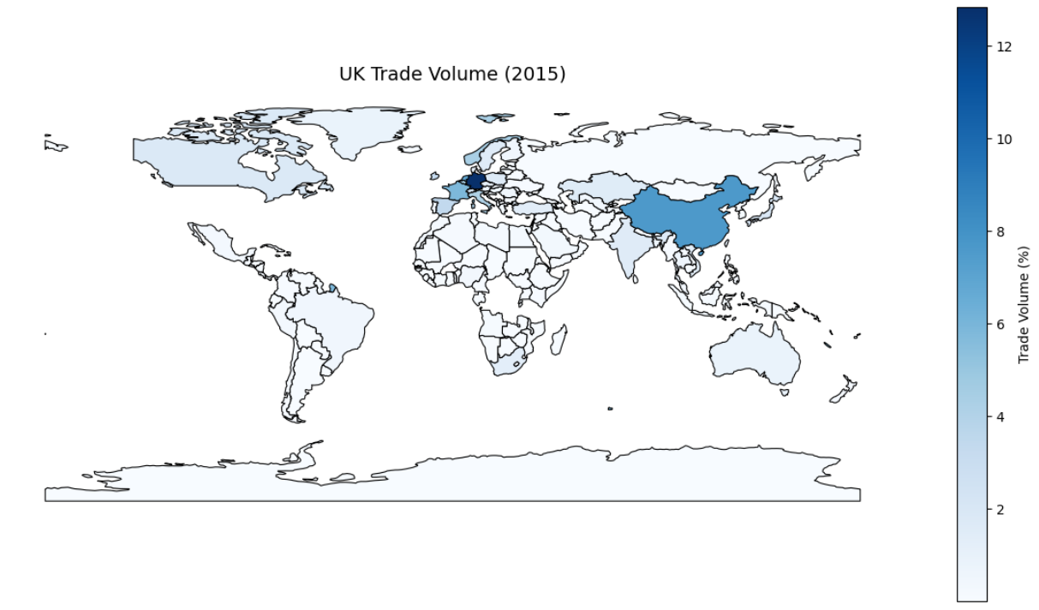
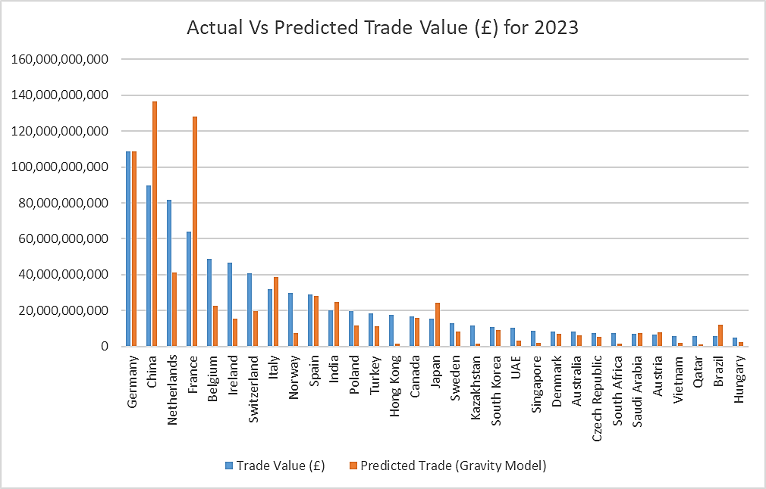
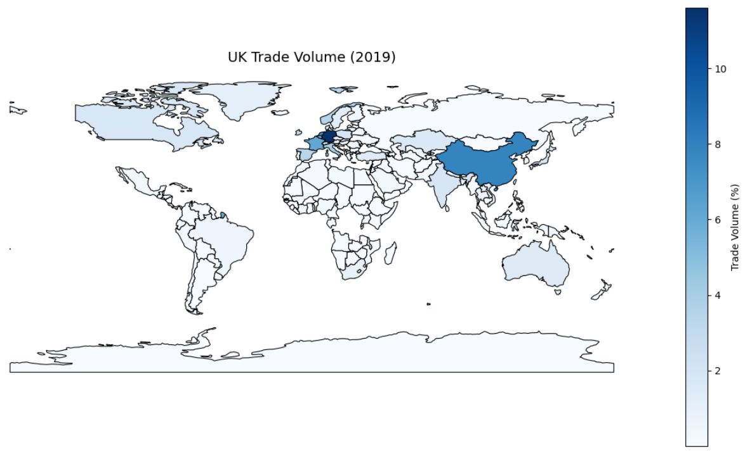
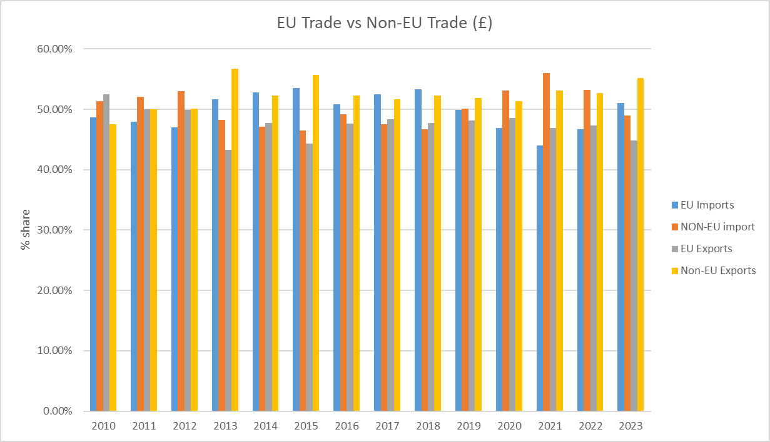
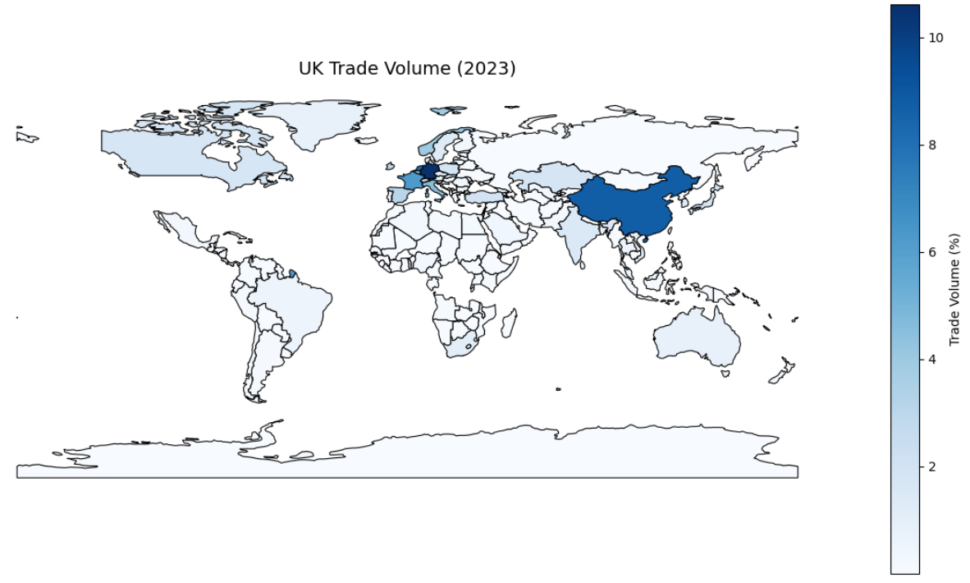
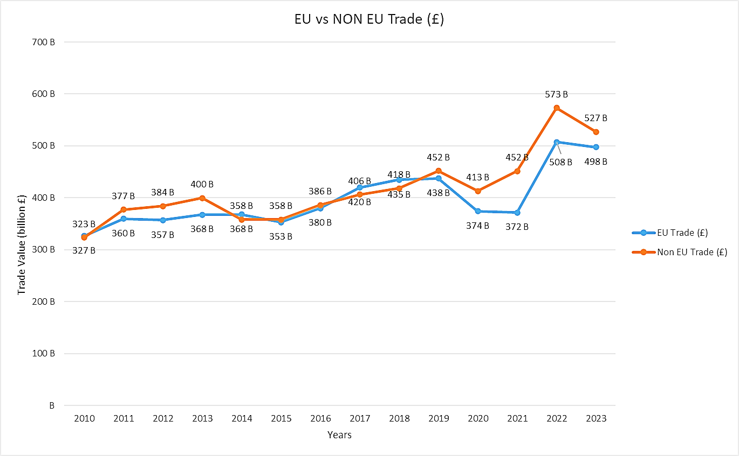
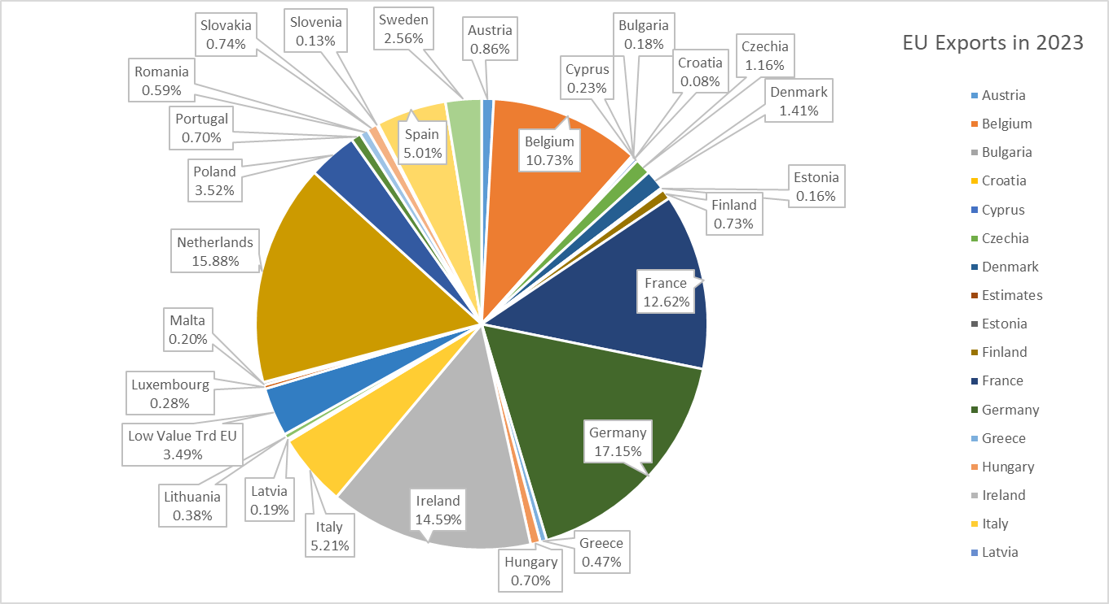

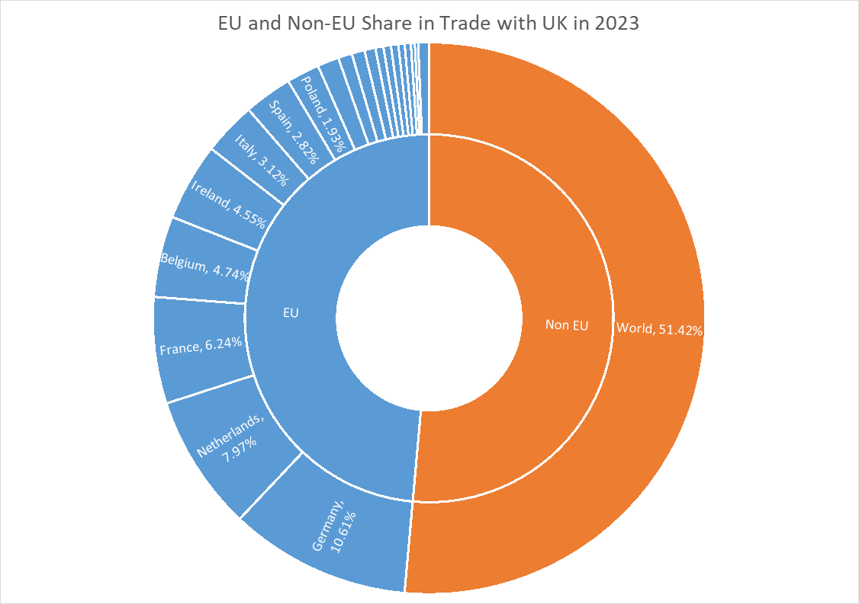

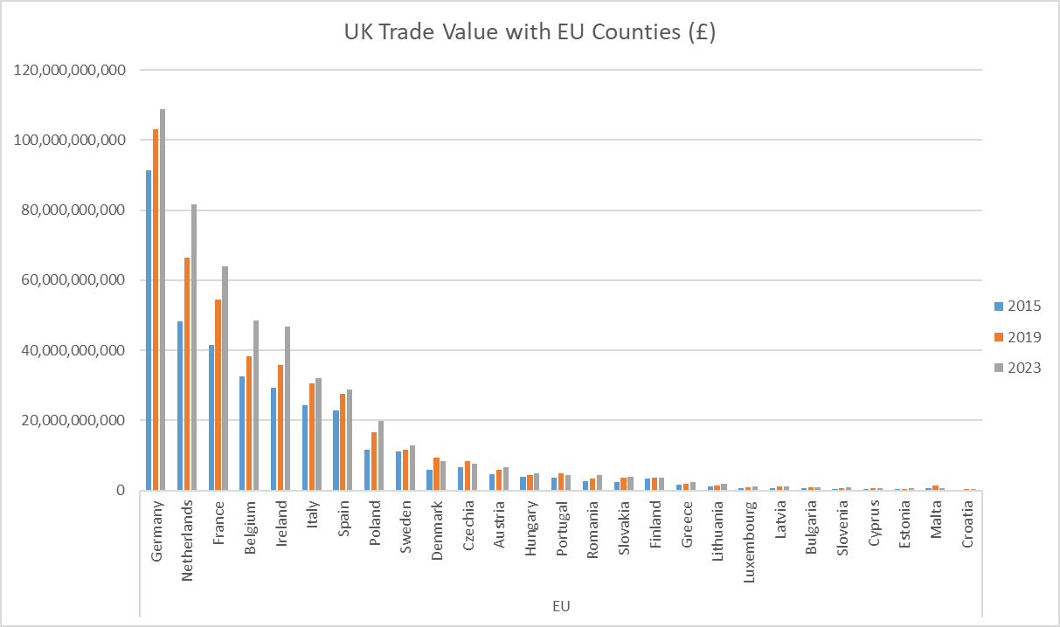

OR

